Sheet1
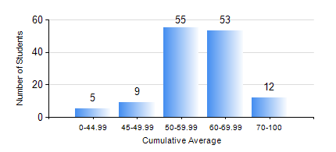
 |  |  | KWAME NKRUMAH UNIVERSITY OF SCIENCE AND TECHNOLOGY, KUMASI Department of Mechanical Engineering

 |  |  | BSC. INDUSTRIAL ENG.

 |  |  | COMPREHENSIVE RECORD OF EXAMINATION RESULTS

 |  |  | RESULTS OF YEAR 2 SECOND SEMESTER, 2022/2023 ACADEMIC YEAR

 | Sn | Course Code |  | Course Name | Credit Hours | Min. Mark | Max. Mark | Avg. Mark | Std. Dev. | No. Passed | No. Trailed | No. (Df) | No. (I) | No. (I*) | No. Tagged(I,I*,Df) | Total
 | 0. |  |  |  |  |  |  | 0 | 0 | 0 | 0 | 0 | 0 | 0 | 0 | 8
 | 1. | ENGL 264 |  | LITERATURE IN ENGLISH II | 1 | 35 | 86 | 67 | 9.89 | 124 | 1 | 0 | 1 | 0 | 1 | 126
 | 2. | IE 274 |  | SECOND YEAR DESIGN PROJECT | 2 | 20 | 97 | 54 | 15.05 | 118 | 7 | 0 | 1 | 0 | 1 | 126
 | 3. | IE 296 |  | INDUSTRIAL ENGINEEGING LABORATORY II | 1 | 30 | 81 | 69 | 8.87 | 124 | 1 | 0 | 1 | 0 | 1 | 126
 | 4. | MATH 252 |  | CALCULUS WITH SEVERAL VARIABLES | 4 | 55 | 80 | 68 | 4.78 | 125 | 0 | 0 | 1 | 0 | 1 | 126
 | 5. | ME 252 |  | FLUID DYNAMICS I | 2 | 10 | 86 | 56 | 13.79 | 120 | 5 | 0 | 1 | 0 | 1 | 126
 | 6. | ME 264 |  | MECHANISM SYNTHESIS AND ANALYSIS I | 3 | 12 | 81 | 56 | 11.2 | 120 | 5 | 0 | 1 | 0 | 1 | 126
 | 7. | ME 266 |  | THERMODYNAMICS I | 2 | 11 | 98 | 63 | 15.71 | 121 | 4 | 0 | 1 | 0 | 1 | 126
 | 8. | ME 270 |  | MANUFACTURING TECHNOLOGY | 3 | 22 | 86 | 63 | 10.76 | 123 | 1 | 0 | 2 | 0 | 2 | 126

